Table 1
BONNER SOIL & WATER CONSERVATION DISTRICT |  |  |  |  |  | ANNUAL CONIFER SEEDLING SALE

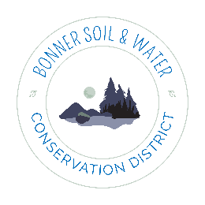 Name: Email: Phone: Address: |  |  |  |  |  |  |  | Due to the nature of growing at times there will be shortages. When possible a comparable seedling of the same species will be substituted. This may mean a slightly smaller or larger plug. If we are unable to secure an acceptable alternative you may choose a refund or to have your order held and filled first the following year.
Minimum of 10 Full Box Contains 240 | 15-270 | 285-810 | 825-1350 | Cost |  | To pay via credit card please complete the second page of this form. Tax exempt customers must provide their State tax exempt form along with their order.
Cost per Tree: | $1.50 | $1.25 | $1.00
Western Red Cedar |  |  |  |  |  | By signing below I acknowledge: 1) Full payment is due at time of order 2) There are no refunds on trees that are not picked up 3) Pickup notice is given via email
Engelman Spruce
Minimum of 10 Full Box Contains 240 | 15-270 | 285-810 | 825-1350 | 1365-2160 | 2170 & up |  | Please mail or bring in your signed order form with payment to: Bonner SWCD 130 McGhee Rd Ste. 220 Sandpoint, ID 83864 bonnerswcd@gmail.com 208.255.9911
Cost per Tree: | $1.10 | $1.00 | $0.90 | $0.80 | $0.70
Ponderosa Pine
Doug Fir - |  |  |  |  |  |  | Paid via: | Cash | Credit | Check #:
Lodgepole Pine |  |  |  |  |  |  | Balance
Minimum of 15 Full Box Contains 270 | 15-270 | 285-810 | 825-1350 | 1365-2160 | 2170 & up |  | 6% Sales Tax:
Western White Pine |  |  |  |  |  |  | Sub Total:
Western Larch |  |  |  |  |  |  | 3% credit Surcharge
Signature: |  |  |  |  |  |  | Total Due:
Date:

